Sheet1
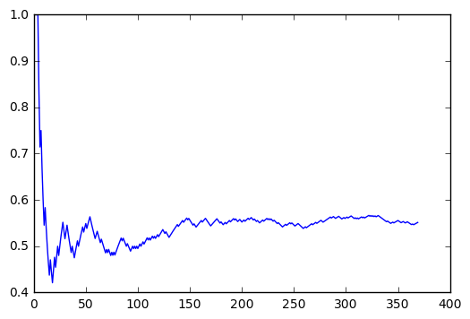

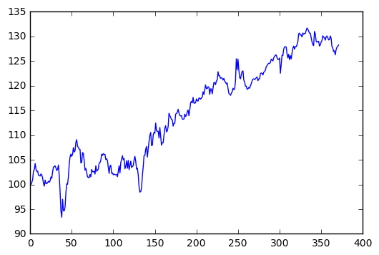
epochs | 100 | 300 | 500 | 700 | 1000 | 2000 | 3000 | 4000 | 5000
 | mean of test_RMSE 75.1221654434 std of test_RMSE 8.84449286404 mean of test_r2Score 0.741481504381 std of test_r2Score 0.0575413972699 mean of accuracy_all 0.556111805744 std of accuracy_all 0.0147088275907 mean of accuracy_30 0.683870967742 std of accuracy_30 0.0474094788926 | mean of test_RMSE 85.8558210312 std of test_RMSE 33.4118261459 mean of test_r2Score 0.6165044788 std of test_r2Score 0.221793210556 mean of accuracy_all 0.558977004621 std of accuracy_all 0.0191458447626 mean of accuracy_30 0.632258064516 std of accuracy_30 0.0598297967451 | mean of test_RMSE 98.1747492995 std of test_RMSE 32.6906412267 mean of test_r2Score 0.516225498513 std of test_r2Score 0.294236645492 mean of accuracy_all 0.548750269513 std of accuracy_all 0.0166698011458 mean of accuracy_30 0.61935483871 std of accuracy_30 0.0718421208107 | mean of test_RMSE 122.036637921 std of test_RMSE 16.7536441098 mean of test_r2Score 0.314407304518 std of test_r2Score 0.175935991778 mean of accuracy_all 0.548644937651 std of accuracy_all 0.0151527238106 mean of accuracy_30 0.645161290323 std of accuracy_30 0.0456197923346 | mean of test_RMSE 109.111526437 std of test_RMSE 34.6517967107 mean of test_r2Score 0.407825930959 std of test_r2Score 0.271291919872 mean of accuracy_all 0.5422278836 std of accuracy_all 0.033843654376 mean of accuracy_30 0.61935483871 std of accuracy_30 0.0875139352661 | mean of test_RMSE 114.710395195 std of test_RMSE 23.1767925035 mean of test_r2Score 0.381187492042 std of test_r2Score 0.227219922526 mean of accuracy_all 0.559595496695 std of accuracy_all 0.0202198058756 mean of accuracy_30 0.664516129032 std of accuracy_30 0.0598297967451 | mean of test_RMSE 145.991963529 std of test_RMSE 32.7581857475 mean of test_r2Score -0.0115046812258 std of test_r2Score 0.490743608349 mean of accuracy_all 0.526896172956 std of accuracy_all 0.0215339418482 mean of accuracy_30 0.58064516129 std of accuracy_30 0.0645161290323 | mean of test_RMSE 174.419900094 std of test_RMSE 79.5912728687 mean of test_r2Score -0.66080153548 std of test_r2Score 1.68233888966 mean of accuracy_all 0.525370270325 std of accuracy_all 0.0257677597725 mean of accuracy_30 0.593548387097 std of accuracy_30 0.0632126385234

combinations of feature | [Open,High,Low,Close,Adjclose,Vloume] | [Open,High,Low,Adjclose,Vloume] | [Open,High,Low,Close,Vloume] | [Open,High,Low,Close] | [Open,High,Low,Adjclose] | [Open,High,Low,Close,Adjclose] | [Open,High,Low] | [High,Low,Close] | [Open,Close]
 | mean of train_RMSE 143.81769412 std of train_RMSE 3.90299345346 mean of test_RMSE 84.4707619149 std of test_RMSE 16.6896285709 mean of test_r2Score 0.665018503199 std of test_r2Score 0.119358803557 mean of accuracy_all 0.556907355385 std of accuracy_all 0.0140923008587 mean of accuracy_30 0.664516129032 std of accuracy_30 0.056243857336 | mean of train_RMSE 146.590375748 std of train_RMSE 2.97811350237 mean of test_RMSE 69.0364667631 std of test_RMSE 16.578878901 mean of test_r2Score 0.772236419575 std of test_r2Score 0.112188075974 mean of accuracy_all 0.559469453355 std of accuracy_all 0.0179034681226 mean of accuracy_30 0.670967741935 std of accuracy_30 0.0316063192617 | mean of train_RMSE 154.160388837 std of train_RMSE 26.585657219 mean of test_RMSE 65.2203857349 std of test_RMSE 11.7019761378 mean of test_r2Score 0.801617137211 std of test_r2Score 0.0621407350644 mean of accuracy_all 0.552126981359 std of accuracy_all 0.0153508817922 mean of accuracy_30 0.638709677419 std of accuracy_30 0.0474094788926 | mean of train_RMSE 141.215037243 std of train_RMSE 3.78442203069 mean of test_RMSE 72.8557081193 std of test_RMSE 4.98880519257 mean of test_r2Score 0.759045205024 std of test_r2Score 0.0336497832397 mean of accuracy_all 0.566928914808 std of accuracy_all 0.0111429745579 mean of accuracy_30 0.683870967742 std of accuracy_30 0.0129032258065 | mean of train_RMSE 159.294008673 std of train_RMSE 22.9482104605 mean of test_RMSE 99.7214110113 std of test_RMSE 86.012024081 mean of test_r2Score 0.216413925172 std of test_r2Score 1.65476995655 mean of accuracy_all 0.548797980494 std of accuracy_all 0.0246614294317 mean of accuracy_30 0.632258064516 std of accuracy_30 0.0766086586261 | mean of train_RMSE 156.863362318 std of train_RMSE 19.2816302572 mean of test_RMSE 101.254626831 std of test_RMSE 71.034680875 mean of test_r2Score 0.308768461397 std of test_r2Score 1.36078734562 mean of accuracy_all 0.551155764525 std of accuracy_all 0.0205196937828 mean of accuracy_30 0.649462365591 std of accuracy_30 0.0675282514757 | mean of train_RMSE 156.935132034 std of train_RMSE 7.79018547015 mean of test_RMSE 78.1219955824 std of test_RMSE 16.437896489 mean of test_r2Score 0.712036267288 std of test_r2Score 0.116945455338 mean of accuracy_all 0.565795059011 std of accuracy_all 0.0144333203868 mean of accuracy_30 0.632258064516 std of accuracy_30 0.0524131509977 | mean of train_RMSE 147.497028602 std of train_RMSE 5.57936268337 mean of test_RMSE 69.2156465608 std of test_RMSE 15.7476749487 mean of test_r2Score 0.772331214171 std of test_r2Score 0.0942443384608 mean of accuracy_all 0.556030731574 std of accuracy_all 0.0226328305026 mean of accuracy_30 0.645161290323 std of accuracy_30 0.0841187407123 | mean of train_RMSE 160.1415538 std of train_RMSE 24.4571678464 mean of test_RMSE 68.5942041291 std of test_RMSE 8.71154236912 mean of test_r2Score 0.783976687511 std of test_r2Score 0.0558560378931 mean of accuracy_all 0.561834063884 std of accuracy_all 0.0196655650956 mean of accuracy_30 0.651612903226 std of accuracy_30 0.0718421208107

steps | 2 | 3 | 5 | 7 | 10 | 13 | 15 | 17 | 20 | 23 | 25 | 27 | 30
 | mean of test_RMSE 85.7054592063 std of test_RMSE 17.7323861756 mean of test_r2Score 0.653903013946 std of test_r2Score 0.153038424987 mean of accuracy_all 0.538527023481 std of accuracy_all 0.014260175135 mean of accuracy_30 0.625806451613 std of accuracy_30 0.0437569676331 | mean of test_RMSE 74.0975185964 std of test_RMSE 16.9190143523 mean of test_r2Score 0.73899053174 std of test_r2Score 0.112157294072 mean of accuracy_all 0.542190793847 std of accuracy_all 0.0255813325353 mean of accuracy_30 0.632258064516 std of accuracy_30 0.0779551353135 | mean of test_RMSE 60.249739254 std of test_RMSE 10.2653367947 mean of test_r2Score 0.831222375245 std of test_r2Score 0.0570761872471 mean of accuracy_all 0.54469826234 std of accuracy_all 0.021788739525 mean of accuracy_30 0.61935483871 std of accuracy_30 0.0774193548387 | mean of test_RMSE 86.4161177596 std of test_RMSE 9.82340388485 mean of test_r2Score 0.658223365743 std of test_r2Score 0.0734468002125 mean of accuracy_all 0.535352549248 std of accuracy_all 0.0126402988784 mean of accuracy_30 0.612903225806 std of accuracy_30 0.0499739786607 | mean of test_RMSE 79.394524943 std of test_RMSE 16.742262856 mean of test_r2Score 0.702523247661 std of test_r2Score 0.108483462613 mean of accuracy_all 0.551687601944 std of accuracy_all 0.0169199619378 mean of accuracy_30 0.651612903226 std of accuracy_30 0.0474094788926 | mean of test_RMSE 61.6552044717 std of test_RMSE 13.2119041962 mean of test_r2Score 0.820355348957 std of test_r2Score 0.0819956217899 mean of accuracy_all 0.542610220174 std of accuracy_all 0.0108259015179 mean of accuracy_30 0.632258064516 std of accuracy_30 0.0328969000877 | mean of test_RMSE 58.5506144538 std of test_RMSE 2.79651675514 mean of test_r2Score 0.844750818725 std of test_r2Score 0.0150349636483 mean of accuracy_all 0.549138097978 std of accuracy_all 0.00652512206947 mean of accuracy_30 0.664516129032 std of accuracy_30 0.0258064516129 | mean of test_RMSE 80.09870365 std of test_RMSE 16.3258744844 mean of test_r2Score 0.69807078192 std of test_r2Score 0.114822313107 mean of accuracy_all 0.542017040521 std of accuracy_all 0.014671646073 mean of accuracy_30 0.638709677419 std of accuracy_30 0.0376190444829 | mean of test_RMSE 59.9704160839 std of test_RMSE 7.30981501592 mean of test_r2Score 0.835086622446 std of test_r2Score 0.0430653478253 mean of accuracy_all 0.547525918778 std of accuracy_all 0.0135854608479 mean of accuracy_30 0.658064516129 std of accuracy_30 0.0328969000877 | mean of test_RMSE 98.3108023007 std of test_RMSE 17.362424975 mean of test_r2Score 0.549683290755 std of test_r2Score 0.145492178463 mean of accuracy_all 0.542918564376 std of accuracy_all 0.0154728698543 mean of accuracy_30 0.612903225806 std of accuracy_30 0.0353369391939 | mean of test_RMSE 60.4694455993 std of test_RMSE 14.8976341632 mean of test_r2Score 0.824757333725 std of test_r2Score 0.0844809587356 mean of accuracy_all 0.551390985597 std of accuracy_all 0.0168295488595 mean of accuracy_30 0.651612903226 std of accuracy_30 0.0427951585852 | mean of test_RMSE 58.5916470756 std of test_RMSE 11.3438618693 mean of test_r2Score 0.839072677758 std of test_r2Score 0.0622492790787 mean of accuracy_all 0.545841748996 std of accuracy_all 0.016642278841 mean of accuracy_30 0.645161290323 std of accuracy_30 0.0408035827119 | mean of test_RMSE 57.8185338171 std of test_RMSE 22.831661905 mean of test_r2Score 0.825400096851 std of test_r2Score 0.147729386823 mean of accuracy_all 0.53768178436 std of accuracy_all 0.00377497183973 mean of accuracy_30 0.58064516129 std of accuracy_30 0.0577049800645

1 layer | 2 neurons | 3 neurons | 4 neurons | 5 neurons | 7 neurons | 10 neurons | 15 neurons | 20 neurons | 25 neurons | 30 neurons | 40 neurons | 50 neurons | 70 neurons | 100 neurons
 | mean of test_RMSE 84.5036861487 std of test_RMSE 18.490476749 mean of test_r2Score 0.661904611598 std of test_r2Score 0.162824548298 mean of accuracy_all 0.560495740205 std of accuracy_all 0.0089640764208 mean of accuracy_30 0.677419354839 std of accuracy_30 0.0204017913559 | mean of test_RMSE 84.7796214173 std of test_RMSE 16.7309322253 mean of test_r2Score 0.662594199145 std of test_r2Score 0.134829695366 mean of accuracy_all 0.566004089621 std of accuracy_all 0.0155657711334 mean of accuracy_30 0.696774193548 std of accuracy_30 0.0328969000877 | mean of test_RMSE 76.4574187999 std of test_RMSE 8.32194746898 mean of test_r2Score 0.732741865624 std of test_r2Score 0.0598864365187 mean of accuracy_all 0.559583355579 std of accuracy_all 0.0112799353619 mean of accuracy_30 0.677419354839 std of accuracy_30 0.0353369391939 | mean of test_RMSE 66.7438041865 std of test_RMSE 15.8780802 mean of test_r2Score 0.787329585087 std of test_r2Score 0.0969332363266 mean of accuracy_all 0.566422770565 std of accuracy_all 0.014811862858 mean of accuracy_30 0.658064516129 std of accuracy_30 0.056243857336 | mean of test_RMSE 70.8108195692 std of test_RMSE 10.279658877 mean of test_r2Score 0.768669182103 std of test_r2Score 0.0612228514509 mean of accuracy_all 0.5619124658 std of accuracy_all 0.011084847918 mean of accuracy_30 0.690322580645 std of accuracy_30 0.0258064516129 | mean of test_RMSE 60.8067239463 std of test_RMSE 7.96882283454 mean of test_r2Score 0.830067867947 std of test_r2Score 0.0438433507264 mean of accuracy_all 0.546968364086 std of accuracy_all 0.005708372839 mean of accuracy_30 0.61935483871 std of accuracy_30 0.0554988726906 | mean of test_RMSE 71.4979990741 std of test_RMSE 11.2592169481 mean of test_r2Score 0.763297328816 std of test_r2Score 0.0798632477359 mean of accuracy_all 0.545623173832 std of accuracy_all 0.0185467775706 mean of accuracy_30 0.61935483871 std of accuracy_30 0.0591300089672 | mean of test_RMSE 75.219348323 std of test_RMSE 11.3426234452 mean of test_r2Score 0.738542750682 std of test_r2Score 0.0778321566849 mean of accuracy_all 0.542433728393 std of accuracy_all 0.00603406640518 mean of accuracy_30 0.593548387097 std of accuracy_30 0.0158031596309 | mean of test_RMSE 71.6484395175 std of test_RMSE 13.6414014478 mean of test_r2Score 0.759644146498 std of test_r2Score 0.0913120579707 mean of accuracy_all 0.535175831675 std of accuracy_all 0.0171852879506 mean of accuracy_30 0.6 std of accuracy_30 0.0598297967451 | mean of test_RMSE 73.8625090543 std of test_RMSE 30.8409968273 mean of test_r2Score 0.710518692094 std of test_r2Score 0.243080848593 mean of accuracy_all 0.524780939187 std of accuracy_all 0.0223430782529 mean of accuracy_30 0.535483870968 std of accuracy_30 0.0664234202644 | mean of test_RMSE 85.3390047808 std of test_RMSE 17.7490252081 mean of test_r2Score 0.656708411683 std of test_r2Score 0.136300706308 mean of accuracy_all 0.561938953749 std of accuracy_all 0.0228075486612 mean of accuracy_30 0.696774193548 std of accuracy_30 0.0805806193342 | mean of test_RMSE 104.420052797 std of test_RMSE 15.7562901499 mean of test_r2Score 0.496125832776 std of test_r2Score 0.149287992226 mean of accuracy_all 0.572921127135 std of accuracy_all 0.0114919219668 mean of accuracy_30 0.709677419355 std of accuracy_30 0.0353369391939 | mean of test_RMSE 96.6364632795 std of test_RMSE 3.31102856264 mean of test_r2Score 0.577556718172 std of test_r2Score 0.0290641215961 mean of accuracy_all 0.557233622082 std of accuracy_all 0.0167253583085 mean of accuracy_30 0.670967741935 std of accuracy_30 0.0427951585852 | mean of test_RMSE 71.3282024945 std of test_RMSE 19.8536609008 mean of test_r2Score 0.752311206371 std of test_r2Score 0.122109315521 mean of accuracy_all 0.532517829235 std of accuracy_all 0.0171736008263 mean of accuracy_30 0.561290322581 std of accuracy_30 0.0598297967451

2 layers | [2,2] | [3,3] | [4,4] | [5,5] | [10,10] | [30,30] | [50,50] | [70,70] | [100,100] | [2,4] | [4,8] | [8,16] | [16,32] | [32,64]
 | mean of test_RMSE 148.054233058 std of test_RMSE 3.27035863756 mean of test_r2Score 0.00909887031168 std of test_r2Score 0.0443343024846 mean of accuracy_all 0.556931110985 std of accuracy_all 0.00578561892974 mean of accuracy_30 0.683870967742 std of accuracy_30 0.024139725076 | mean of test_RMSE 150.123608833 std of test_RMSE 21.2956155755 mean of test_r2Score -0.0387884974451 std of test_r2Score 0.269635081142 mean of accuracy_all 0.547674147667 std of accuracy_all 0.0238063996438 mean of accuracy_30 0.645161290323 std of accuracy_30 0.0706738783878 | mean of test_RMSE 134.05878301 std of test_RMSE 12.7782745087 mean of test_r2Score 0.180601100342 std of test_r2Score 0.158503855528 mean of accuracy_all 0.54411948554 std of accuracy_all 0.025141574228 mean of accuracy_30 0.625806451613 std of accuracy_30 0.0831232175918 | mean of test_RMSE 210.768788168 std of test_RMSE 154.775206715 mean of test_r2Score -2.08957386242 std of test_r2Score 4.54499192217 mean of accuracy_all 0.52218377624 std of accuracy_all 0.0200247388136 mean of accuracy_30 0.541935483871 std of accuracy_30 0.0474094788926 | mean of test_RMSE 247.944769096 std of test_RMSE 186.743868011 mean of test_r2Score -3.35339419215 std of test_r2Score 6.08083094781 mean of accuracy_all 0.541065184847 std of accuracy_all 0.031568231466 mean of accuracy_30 0.606451612903 std of accuracy_30 0.0986907002631 | mean of test_RMSE 377.31357189 std of test_RMSE 397.99357391 mean of test_r2Score -12.5894936679 std of test_r2Score 24.1929929687 mean of accuracy_all 0.506769227044 std of accuracy_all 0.00820386978642 mean of accuracy_30 0.529032258065 std of accuracy_30 0.0258064516129 | mean of test_RMSE 202.758467159 std of test_RMSE 62.4759617155 mean of test_r2Score -1.03388663162 std of test_r2Score 1.39440912347 mean of accuracy_all 0.527873333313 std of accuracy_all 0.0276592733988 mean of accuracy_30 0.522580645161 std of accuracy_30 0.0376190444829 | mean of test_RMSE 217.149028433 std of test_RMSE 73.1971241375 mean of test_r2Score -1.37263763425 std of test_r2Score 1.78205877849 mean of accuracy_all 0.554418175842 std of accuracy_all 0.02331543226 mean of accuracy_30 0.516129032258 std of accuracy_30 0.0408035827119 | mean of test_RMSE 214.535799614 std of test_RMSE 30.9181704228 mean of test_r2Score -1.12277563183 std of test_r2Score 0.620442951567 mean of accuracy_all 0.54142374263 std of accuracy_all 0.0149490675776 mean of accuracy_30 0.496774193548 std of accuracy_30 0.0258064516129 | mean of test_RMSE 151.780860378 std of test_RMSE 4.34634736632 mean of test_r2Score -0.0417578908932 std of test_r2Score 0.0592049831446 mean of accuracy_all 0.540471804774 std of accuracy_all 0.0278749534003 mean of accuracy_30 0.61935483871 std of accuracy_30 0.0898605695302 | mean of test_RMSE 142.554955834 std of test_RMSE 4.06136964591 mean of test_r2Score 0.0810458591279 std of test_r2Score 0.0513879735488 mean of accuracy_all 0.544210931654 std of accuracy_all 0.0170635900754 mean of accuracy_30 0.645161290323 std of accuracy_30 0.0353369391939 | mean of test_RMSE 183.091893348 std of test_RMSE 58.8636566547 mean of test_r2Score -0.671216226361 std of test_r2Score 1.17437221506 mean of accuracy_all 0.535191230635 std of accuracy_all 0.0267904218907 mean of accuracy_30 0.567741935484 std of accuracy_30 0.105222622131 | mean of test_RMSE 392.970789008 std of test_RMSE 164.909618955 mean of test_r2Score -7.20622475331 std of test_r2Score 6.88313307789 mean of accuracy_all 0.507081873347 std of accuracy_all 0.0110753797218 mean of accuracy_30 0.529032258065 std of accuracy_30 0.0437569676331 | mean of test_RMSE 711.837233491 std of test_RMSE 653.792273286 mean of test_r2Score -41.2081667657 std of test_r2Score 50.0130002966 mean of accuracy_all 0.525908810684 std of accuracy_all 0.0301346973508 mean of accuracy_30 0.554838709677 std of accuracy_30 0.0943789602473

3 layers | [2,2,2] | [3,3,3] | [4,4,4] | [5,5,5] | [10,10,10] | [30,30,30] | [50,50,50] | [70,70,70]
 | mean of test_RMSE 248.72074469 std of test_RMSE 131.636537024 mean of test_r2Score -2.57806450205 std of test_r2Score 3.41093511533 mean of accuracy_all 0.530027466403 std of accuracy_all 0.0272523190096 mean of accuracy_30 0.587096774194 std of accuracy_30 0.0851026190856 | mean of test_RMSE 161.506893005 std of test_RMSE 20.470235544 mean of test_r2Score -0.197512812928 std of test_r2Score 0.32381163955 mean of accuracy_all 0.543398083683 std of accuracy_all 0.0287409778385 mean of accuracy_30 0.632258064516 std of accuracy_30 0.0948189577852 | mean of test_RMSE 194.725098145 std of test_RMSE 121.126352547 mean of test_r2Score -1.37615906264 std of test_r2Score 2.88357225365 mean of accuracy_all 0.533868945665 std of accuracy_all 0.0333249320031 mean of accuracy_30 0.606451612903 std of accuracy_30 0.102821790003 | mean of test_RMSE 142.681486469 std of test_RMSE 8.48871384271 mean of test_r2Score 0.0769046433002 std of test_r2Score 0.108650487693 mean of accuracy_all 0.540558726787 std of accuracy_all 0.027228729492 mean of accuracy_30 0.638709677419 std of accuracy_30 0.0800624106193 | mean of test_RMSE 481.699284981 std of test_RMSE 281.865930462 mean of test_r2Score -13.0737745142 std of test_r2Score 13.4292903147 mean of accuracy_all 0.51046219962 std of accuracy_all 0.0123996059028 mean of accuracy_30 0.522580645161 std of accuracy_30 0.0474094788926 | mean of test_RMSE 381.440041937 std of test_RMSE 239.288224058 mean of test_r2Score -8.16113267022 std of test_r2Score 9.57695561539 mean of accuracy_all 0.516650210037 std of accuracy_all 0.0237711743315 mean of accuracy_30 0.529032258065 std of accuracy_30 0.0752380889657 | mean of test_RMSE 159.972444347 std of test_RMSE 8.65690762571 mean of test_r2Score -0.159677160514 std of test_r2Score 0.129456992434 mean of accuracy_all 0.531891045941 std of accuracy_all 0.0235557380991 mean of accuracy_30 0.6 std of accuracy_30 0.0482794501519 | mean of test_RMSE 350.323284377 std of test_RMSE 329.013559302 mean of test_r2Score -9.43624558999 std of test_r2Score 17.71287255 mean of accuracy_all 0.534980245711 std of accuracy_all 0.0281399625118 mean of accuracy_30 0.503225806452 std of accuracy_30 0.0258064516129

dropout | 0 | 0.1 | 0.2 | 0.3 | 0.4 | 0.5
 | mean of test_RMSE 79.7364304942 std of test_RMSE 22.7701215252 mean of test_r2Score 0.689303416161 std of test_r2Score 0.153160723242 mean of accuracy_all 0.535975291269 std of accuracy_all 0.0197992381753 mean of accuracy_30 0.587096774194 std of accuracy_30 0.0800624106193 | mean of test_RMSE 363.844229337 std of test_RMSE 16.8738952394 mean of test_r2Score -4.99433292848 std of test_r2Score 0.564474533908 mean of accuracy_all 0.555164204423 std of accuracy_all 0.013173950878 mean of accuracy_30 0.587096774194 std of accuracy_30 0.0376190444829 | mean of test_RMSE 351.999438357 std of test_RMSE 42.1917878167 mean of test_r2Score -4.67879191154 std of test_r2Score 1.22563436408 mean of accuracy_all 0.528230788983 std of accuracy_all 0.0185605733782 mean of accuracy_30 0.529032258065 std of accuracy_30 0.0437569676331 | mean of test_RMSE 326.660266293 std of test_RMSE 7.39605811402 mean of test_r2Score -3.82383010052 std of test_r2Score 0.220053815886 mean of accuracy_all 0.529173797114 std of accuracy_all 0.0106719337271 mean of accuracy_30 0.593548387097 std of accuracy_30 0.0437569676331 | mean of test_RMSE 293.974585244 std of test_RMSE 9.07732991139 mean of test_r2Score -2.90850137244 std of test_r2Score 0.239345800048 mean of accuracy_all 0.546472320814 std of accuracy_all 0.0099708071887 mean of accuracy_30 0.612903225806 std of accuracy_30 0.0735597048451 | mean of test_RMSE 256.858325774 std of test_RMSE 10.6978975347 mean of test_r2Score -1.98618559616 std of test_r2Score 0.246989904406 mean of accuracy_all 0.535167055966 std of accuracy_all 0.0169510915325 mean of accuracy_30 0.625806451613 std of accuracy_30 0.0387096774194

retune epochs | 50 | 60 | 70 | 80 | 90 | 100
 | mean of test_RMSE 79.3059232332 std of test_RMSE 8.06776917733 mean of test_r2Score 0.712882634564 std of test_r2Score 0.0543948032219 mean of accuracy_all 0.531874008667 std of accuracy_all 0.0160840101172 mean of accuracy_30 0.587096774194 std of accuracy_30 0.0554988726906 | mean of test_RMSE 75.2018032931 std of test_RMSE 3.64942100293 mean of test_r2Score 0.743873283727 std of test_r2Score 0.0249033036909 mean of accuracy_all 0.533574587608 std of accuracy_all 0.021844396547 mean of accuracy_30 0.6 std of accuracy_30 0.0779551353135 | mean of test_RMSE 71.4561888329 std of test_RMSE 7.304201443 mean of test_r2Score 0.766884675959 std of test_r2Score 0.0447913065177 mean of accuracy_all 0.559298190247 std of accuracy_all 0.0180303857017 mean of accuracy_30 0.677419354839 std of accuracy_30 0.0676650869787 | mean of test_RMSE 74.1512820315 std of test_RMSE 5.60834078554 mean of test_r2Score 0.750143046269 std of test_r2Score 0.037399803288 mean of accuracy_all 0.540834271121 std of accuracy_all 0.0271011195733 mean of accuracy_30 0.61935483871 std of accuracy_30 0.0965589003038 | mean of test_RMSE 62.0527401831 std of test_RMSE 12.7054748452 mean of test_r2Score 0.818726356039 std of test_r2Score 0.0642346356421 mean of accuracy_all 0.539990447393 std of accuracy_all 0.0274774908554 mean of accuracy_30 0.632258064516 std of accuracy_30 0.107182243392 | mean of test_RMSE 65.0213777533 std of test_RMSE 6.99439825438 mean of test_r2Score 0.806765038126 std of test_r2Score 0.0428804645941 mean of accuracy_all 0.546036644165 std of accuracy_all 0.0227309808077 mean of accuracy_30 0.658064516129 std of accuracy_30 0.0855903171705

compare stateless with stateful | stateful | stateless,shuffle=True | stateless,shuffle=False
 | mean of test_RMSE 65.0213777533 std of test_RMSE 6.99439825438 mean of test_r2Score 0.806765038126 std of test_r2Score 0.0428804645941 mean of accuracy_all 0.546036644165 std of accuracy_all 0.0227309808077 mean of accuracy_30 0.658064516129 std of accuracy_30 0.0855903171705 | mean of test_RMSE 71.703236845 std of test_RMSE 12.1583274965 mean of test_r2Score 0.76101804917 std of test_r2Score 0.079800347473 mean of accuracy_all 0.519912568525 std of accuracy_all 0.0197911634625 mean of accuracy_30 0.548387096774 std of accuracy_30 0.107956132456 | mean of test_RMSE 84.9374035028 std of test_RMSE 23.1590266104 mean of test_r2Score 0.649798569337 std of test_r2Score 0.175111111759 mean of accuracy_all 0.547482254391 std of accuracy_all 0.0212321244018 mean of accuracy_30 0.638709677419 std of accuracy_30 0.0376190444829

compare with 15 steps | 1 step | 15 steps
 | mean of test_RMSE 65.0213777533 std of test_RMSE 6.99439825438 mean of test_r2Score 0.806765038126 std of test_r2Score 0.0428804645941 mean of accuracy_all 0.546036644165 std of accuracy_all 0.0227309808077 mean of accuracy_30 0.658064516129 std of accuracy_30 0.0855903171705 | mean of test_RMSE 74.4946081799 std of test_RMSE 20.3894144167 mean of test_r2Score 0.730474418313 std of test_r2Score 0.151730917319 mean of accuracy_all 0.549656150399 std of accuracy_all 0.0181688515762 mean of accuracy_30 0.641935483871 std of accuracy_30 0.03663811836

Bias Weight Regularization | L1L2(l1=0.0, l2=0.0) | L1L2(l1=0.01, l2=0.0) | L1L2(l1=0.0, l2=0.01) | L1L2(l1=0.01, l2=0.01)
 | mean of test_RMSE 88.1862466957 std of test_RMSE 11.6147498188 mean of test_r2Score 0.642523482471 std of test_r2Score 0.0930837080895 mean of accuracy_all 0.533841357134 std of accuracy_all 0.00827986427979 mean of accuracy_30 0.625806451613 std of accuracy_30 0.0258064516129 | mean of test_RMSE 60.2400545424 std of test_RMSE 4.12301689751 mean of test_r2Score 0.835268293227 std of test_r2Score 0.0223661671513 mean of accuracy_all 0.544513653298 std of accuracy_all 0.00522590244451 mean of accuracy_30 0.670967741935 std of accuracy_30 0.0129032258065 | mean of test_RMSE 72.1581998724 std of test_RMSE 16.6442483628 mean of test_r2Score 0.752222810116 std of test_r2Score 0.11212272388 mean of accuracy_all 0.531696401425 std of accuracy_all 0.0150133392022 mean of accuracy_30 0.612903225806 std of accuracy_30 0.0577049800645 | mean of test_RMSE 67.6777037083 std of test_RMSE 10.532288769 mean of test_r2Score 0.788036631484 std of test_r2Score 0.0681206741656 mean of accuracy_all 0.531895712649 std of accuracy_all 0.0105966408793 mean of accuracy_30 0.638709677419 std of accuracy_30 0.0376190444829

Input Weight Regularization | L1L2(l1=0.0, l2=0.0) | L1L2(l1=0.01, l2=0.0) | L1L2(l1=0.0, l2=0.01) | L1L2(l1=0.01, l2=0.01)
 | mean of test_RMSE 67.3919963372 std of test_RMSE 15.4761683222 mean of test_r2Score 0.783970494469 std of test_r2Score 0.10164954117 mean of accuracy_all 0.545889320362 std of accuracy_all 0.0145860994742 mean of accuracy_30 0.651612903226 std of accuracy_30 0.0427951585852 | mean of test_RMSE 155.072909262 std of test_RMSE 1.13807693013 mean of test_r2Score -0.0866059041937 std of test_r2Score 0.0159790275793 mean of accuracy_all 0.527589428928 std of accuracy_all 0.0179444774276 mean of accuracy_30 0.606451612903 std of accuracy_30 0.0516129032258 | mean of test_RMSE 122.843946439 std of test_RMSE 14.6566624158 mean of test_r2Score 0.308450953847 std of test_r2Score 0.162073194248 mean of accuracy_all 0.530648042496 std of accuracy_all 0.013648161819 mean of accuracy_30 0.574193548387 std of accuracy_30 0.0129032258065 | mean of test_RMSE 154.072596557 std of test_RMSE 1.61602715406 mean of test_r2Score -0.0726928347406 std of test_r2Score 0.0225296699643 mean of accuracy_all 0.521322850154 std of accuracy_all 0.0160514370042 mean of accuracy_30 0.593548387097 std of accuracy_30 0.0482794501519

Recurrent Weight Regularization | L1L2(l1=0.0, l2=0.0) | L1L2(l1=0.01, l2=0.0) | L1L2(l1=0.0, l2=0.01) | L1L2(l1=0.01, l2=0.01)
 | mean of test_RMSE 73.2622506476 std of test_RMSE 16.0173884295 mean of test_r2Score 0.745893672618 std of test_r2Score 0.111129153933 mean of accuracy_all 0.545726911372 std of accuracy_all 0.0135387181728 mean of accuracy_30 0.638709677419 std of accuracy_30 0.0129032258065 | mean of test_RMSE 108.5556488 std of test_RMSE 9.81841403512 mean of test_r2Score 0.463190822649 std of test_r2Score 0.0964762341619 mean of accuracy_all 0.549102535638 std of accuracy_all 0.00338645891466 mean of accuracy_30 0.61935483871 std of accuracy_30 0.0516129032258 | mean of test_RMSE 106.144799609 std of test_RMSE 16.2937895132 mean of test_r2Score 0.478938249137 std of test_r2Score 0.172097734252 mean of accuracy_all 0.551805449303 std of accuracy_all 0.00767256139362 mean of accuracy_30 0.632258064516 std of accuracy_30 0.0258064516129 | mean of test_RMSE 98.3084284969 std of test_RMSE 5.418215154 mean of test_r2Score 0.561998575783 std of test_r2Score 0.048732832122 mean of accuracy_all 0.549964450573 std of accuracy_all 0.00269102246431 mean of accuracy_30 0.645161290323 std of accuracy_30 0.0

Optimization Algorithm | adam | sgd | adagrad | adamax | nadam | adadelta
 | mean of test_RMSE 52.9680574213 std of test_RMSE 3.87404837756 mean of test_r2Score 0.872555265003 std of test_r2Score 0.0183270806255 mean of accuracy_all 0.537041186333 std of accuracy_all 0.00922581594656 mean of accuracy_30 0.632258064516 std of accuracy_30 0.0437569676331 | mean of test_RMSE 35.5878817276 std of test_RMSE 1.71874276752 mean of test_r2Score 0.942642147828 std of test_r2Score 0.00552387874189 mean of accuracy_all 0.555091059551 std of accuracy_all 0.00713291779259 mean of accuracy_30 0.587096774194 std of accuracy_30 0.0129032258065 | mean of test_RMSE 26.44480743 std of test_RMSE 2.661847919 mean of test_r2Score 0.968082001342 std of test_r2Score 0.00627955144394 mean of accuracy_all 0.551216325962 std of accuracy_all 0.0057789152716 mean of accuracy_30 0.612903225806 std of accuracy_30 0.0204017913559 | mean of test_RMSE 73.8015987423 std of test_RMSE 13.8429596428 mean of test_r2Score 0.745243513462 std of test_r2Score 0.0925655792649 mean of accuracy_all 0.562672354775 std of accuracy_all 0.00961416238976 mean of accuracy_30 0.696774193548 std of accuracy_30 0.0387096774194 | mean of test_RMSE 364.715370518 std of test_RMSE 516.892969035 mean of test_r2Score -17.0821120688 std of test_r2Score 35.1125164728 mean of accuracy_all 0.550715610842 std of accuracy_all 0.0277360931676 mean of accuracy_30 0.606451612903 std of accuracy_30 0.0554988726906 | mean of test_RMSE 58.9274984116 std of test_RMSE 6.02171959216 mean of test_r2Score 0.841465268749 std of test_r2Score 0.0334542833319 mean of accuracy_all 0.571112597382 std of accuracy_all 0.00767392325696 mean of accuracy_30 0.593548387097 std of accuracy_30 0.0158031596309

Final Tests
1_1:adagrad with different 5 updata epochs | from day_1 to day_130 test_RMSE:25.279286335863688 test_R2Score:0.836672267392 | accuracy plot |  | adjclose plot |  |  | investment plot
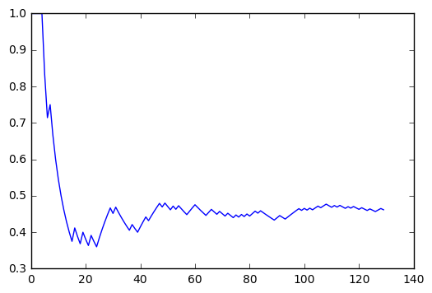

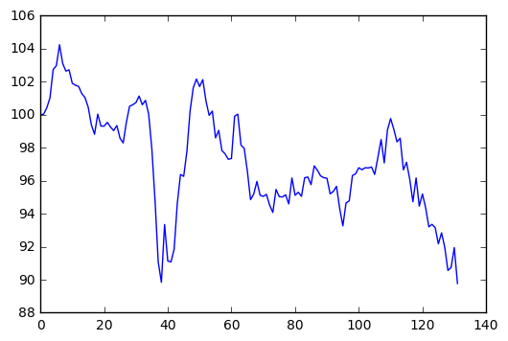

1_2:adagrad with different 1 updata epochs | from day_1 to day_490 test_RMSE:21.7779170539922 test_R2Score:0.977344161358 accuracy plot | accuracy plot |  | adjclose plot |  |  | investment plot
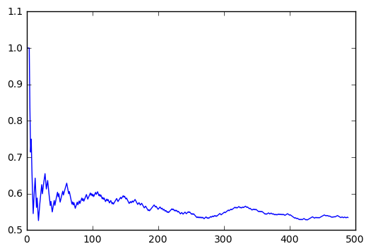

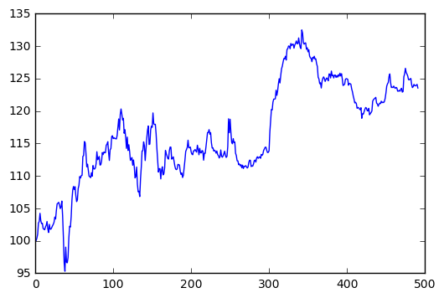

1_3:adagrad with different 2 updata epochs | from day_1 to day_370 test_RMSE:21.48616149419917 test_R2Score:0.944153161489 | accuracy plot |  | adjclose plot |  |  | investment plot
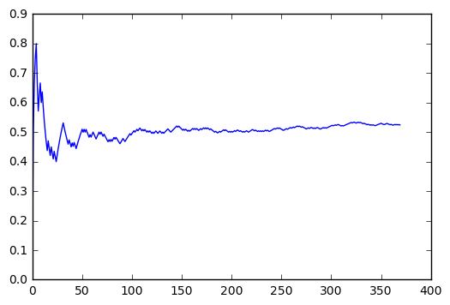

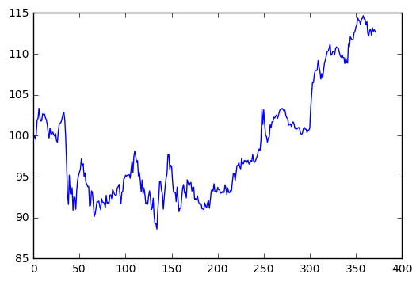

2_1:adam with different 1 updata epochs | from day_1 to day_370 test_RMSE:36.9745673112252 test_R2Score:0.834618425483 | accuracy plot |  | adjclose plot |  |  | investment plot
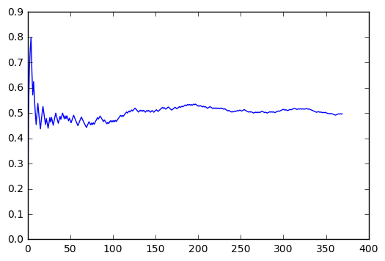

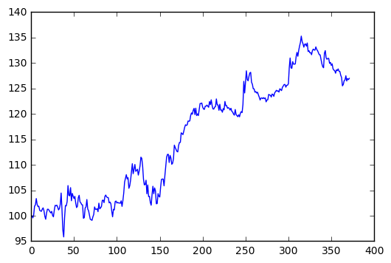

2_2:adam with different 2 updata epochs | from day_1 to day_370 test_RMSE:31.698135210709346 test_R2Score:0.878451851264 | accuracy plot |  | adjclose plot |  |  | investment plot
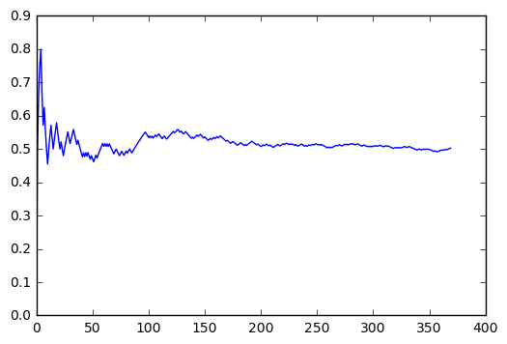

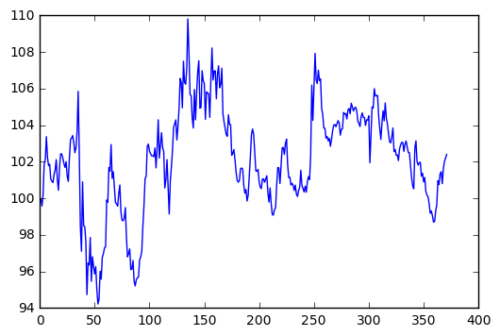

2_3:adam with different 3 updata epochs | from day_1 to day_370 test_RMSE:98.7962318257581 test_R2Score:-0.180760136354 | accuracy plot |  | adjclose plot |  |  | investment plot
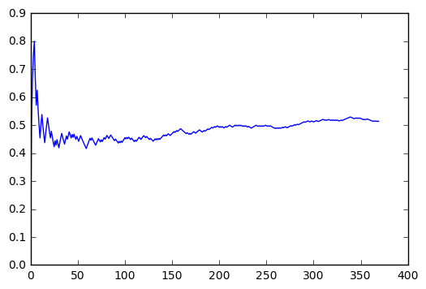

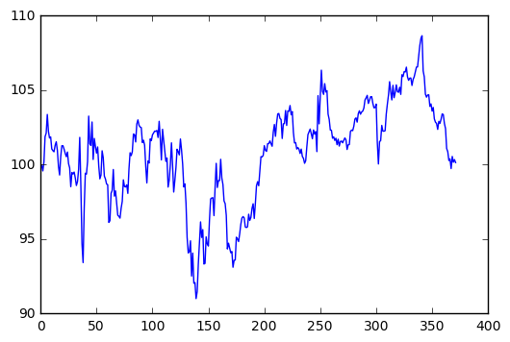

3_1:sgd with different 1 updata epochs | from day_1 to day_370 test_RMSE:22.79673922601246 test_R2Score:0.93713247197 | accuracy plot |  | adjclose plot |  |  | investment plot
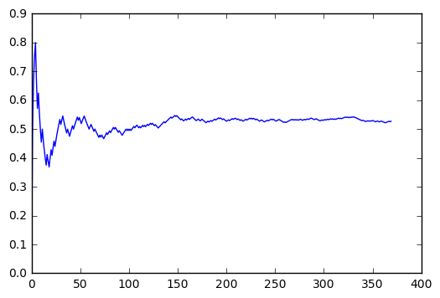

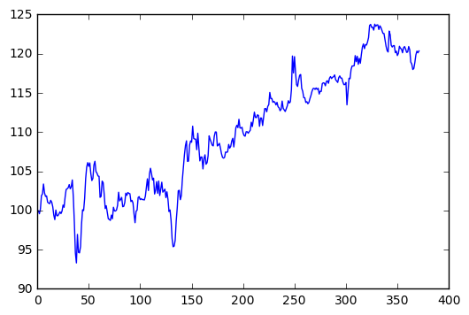

3_2:sgd with different 2 updata epochs | from day_1 to day_370 test_RMSE:21.499712620543452 test_R2Score:0.94408269509 | accuracy plot |  | adjclose plot |  |  | investment plot
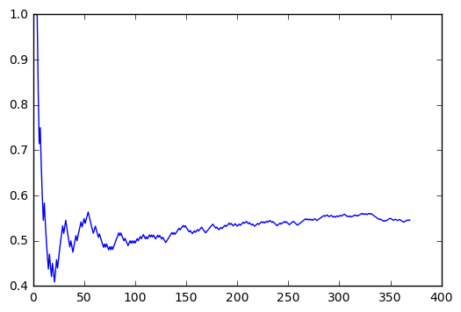

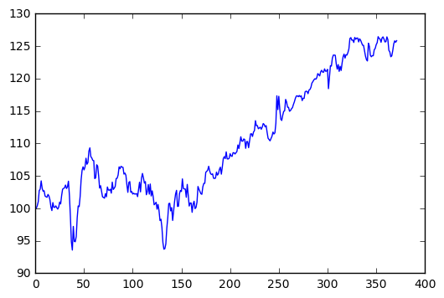

3_3:sgd with different 3 updata epochs | from day_1 to day_370 test_RMSE:21.870599981148494 test_R2Score:0.942136817541 | accuracy plot |  | adjclose plot |  |  | investment plot
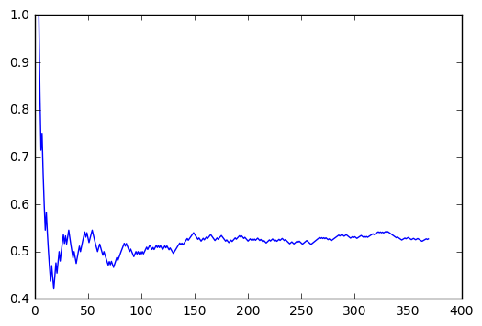

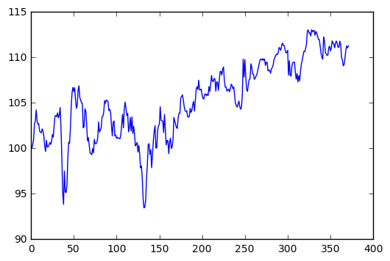

4_1:adamax with different 1 updata epochs | from day_1 to day_370 test_RMSE:51.04381298926518 test_R2Score:0.684813839969 | accuracy plot |  | adjclose plot |  |  | investment plot
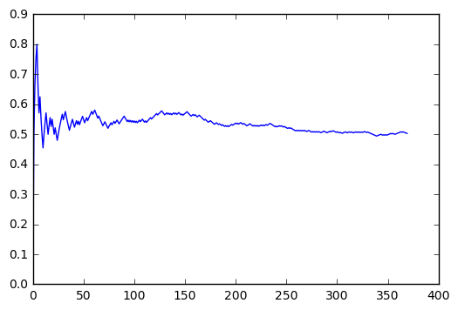

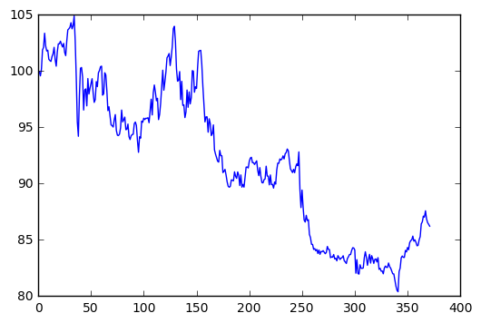

4_2:adamax with different 2 updata epochs | from day_1 to day_370 test_RMSE:100.24895731384169 test_R2Score:-0.215739843003 | accuracy plot |  | adjclose plot |  |  | investment plot
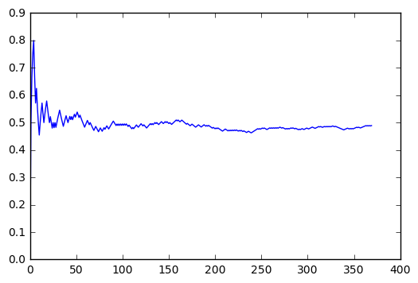

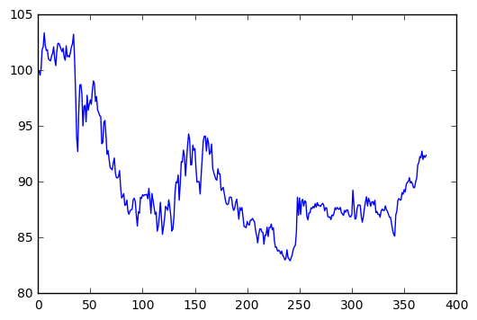

4_3:adamax with different 3 updata epochs | from day_1 to day_370 test_RMSE:203.21294757773754 test_R2Score:-3.99555416228 | accuracy plot |  | adjclose plot |  |  | investment plot
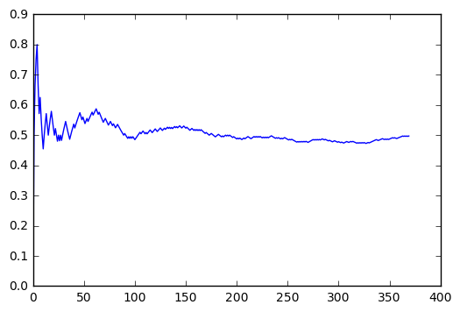

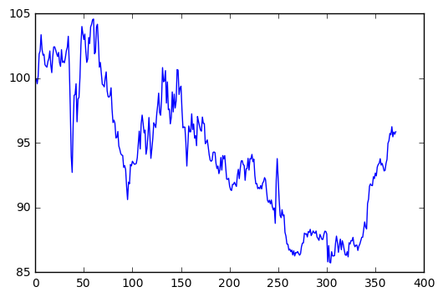

Final Model | from day_1 to day_370 test_RMSE:21.895085625707114 test_R2Score:0.942007181369 | accuracy plot |  | adjclose plot |  |  | investment plot

